Sheet1
Questions on Correlation and Covariance

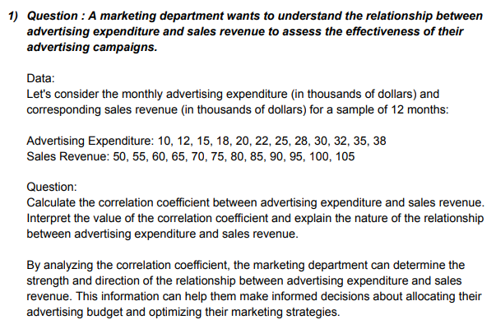
 | Advertising Expenditure |  |  | Sales Revenue

 | 10 |  |  | 50
 | 12 |  |  | 55
 | 15 |  |  | 60
 | 18 |  |  | 65
 | 20 |  |  | 70
 | 22 |  |  | 75
 | 25 |  |  | 80
 | 28 |  |  | 85
 | 30 |  |  | 90
 | 32 |  |  | 95
 | 35 |  |  | 100
 | 38 |  |  | 105

 | Correlation | 0.99921031004

 | There is no relationship between the variables because correlation is zero.

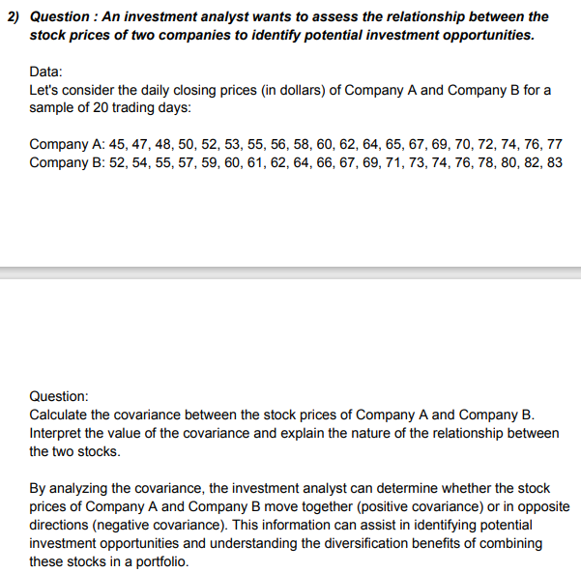
 | Company A |  | Company A
 | 45 |  | 52
 | 47 |  | 54
 | 48 |  | 55
 | 50 |  | 57
 | 52 |  | 59
 | 53 |  | 60
 | 55 |  | 61
 | 56 |  | 62
 | 58 |  | 64
 | 60 |  | 66
 | 62 |  | 67
 | 64 |  | 69
 | 65 |  | 71
 | 67 |  | 73
 | 69 |  | 74
 | 70 |  | 76
 | 72 |  | 78
 | 74 |  | 80
 | 76 |  | 82
 | 77 |  | 83

 | covariance | 92.65

 | This is a positive covariance.

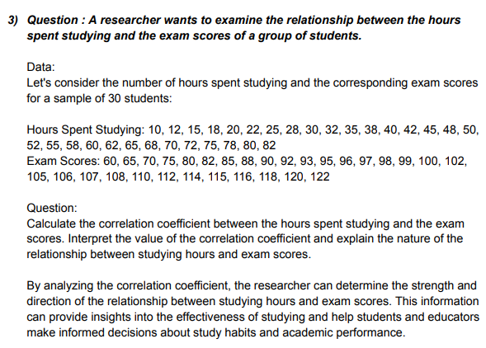
 | Hours Spent Studying |  |  | Exam Scores

 | 10 |  |  | 60
 | 12 |  |  | 65
 | 15 |  |  | 70
 | 18 |  |  | 75
 | 20 |  |  | 80
 | 22 |  |  | 82
 | 25 |  |  | 85
 | 28 |  |  | 88
 | 30 |  |  | 90
 | 32 |  |  | 92
 | 35 |  |  | 93
 | 38 |  |  | 95
 | 40 |  |  | 96
 | 42 |  |  | 97
 | 45 |  |  | 98
 | 48 |  |  | 99
 | 50 |  |  | 100
 | 52 |  |  | 102
 | 55 |  |  | 105
 | 58 |  |  | 106
 | 60 |  |  | 107
 | 62 |  |  | 108
 | 65 |  |  | 110
 | 68 |  |  | 112
 | 70 |  |  | 114
 | 72 |  |  | 115
 | 75 |  |  | 116
 | 78 |  |  | 118
 | 80 |  |  | 120
 | 82 |  |  | 122

 | Correlation | 0.97729508302

 | There is no relationship between the variables because correlation is zero.

